Instructions
Please use the following instructions to import TXT or CSV Files through this spreadsheet.
1. Locate where your LRDR text file is saved on your computer. If the file is saved in the Downloads folder, it is strongly recommended to create a new folder within that folder by right clicking within the folder and selecting New -> Folder, and then save your file there.
2. Open the "File Path" Tab, and copy and paste the exact folder location of your document (ex. C:\Users\firstname.lastname\Downloads\LRDRData\
To find the file path for Windows users, please follow the instructions below:
1a). In the File Explorer App, Locate the "this PC" section and select Windows (C:) | 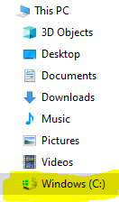 |  | 1b). After double clicking on the (C:) icon, something similar to the folder array to the right should appear. Select the "Users" folder. |  |  | 1c.) After double-clicking on the Users field, select your name, or the login you use for your computer (Name redacted for privacy). |  | 1d). After double-clicking the name field, a large array of folders and documents should appear. Please select the one in which your file is located (we will be using Downloads for the purposes of this example). If you have an additonal sub-folder, double click on that folder.
1e). After clicking on the folder where your file is located, please select the upper bar that looks similar to the image to the right. It should highlight the entire bar. Please copy that highlighted bar. |  |  |  |  |  |  | 1f). After copying the field, please paste it in the "File Path" tab. Make sure to add a back slash (\) to the end.

2. Select the "LRDR Data" Tab. Select Data from the ribbon and click "Refresh All" underneath the "Queries and Connections" section.

3. Go back to the "File Path" tab and select your LRDR File Name through the drop-down menu in column A and copy it into the "File Name" cell in column D.
4. Click "Refresh All" Again.
5. Your data should populate in the "LRDR Data" worksheet.

If you are a Mac User, Follow the instructions below to locate the file path:

1a) After opening the Finder app, click the "View" Tab at the top of the screen and select "Show Path Bar." |  |  |  | 1b) Within the Finder app, open the folder in which your document is located (this example is using the "Downloads" folder.) The path bar should be at the bottom of your finder window similar to below.
1c) Hold down the "Control" key and click on the folder your document is in (Downloads in this case) on the path name bar. The menu to the right should appear. Select "Copy 'Folder' as Pathname." |  | 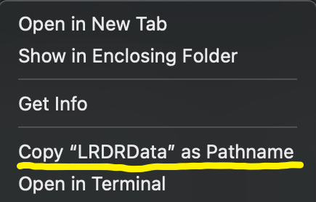 |  |  | 1d. After copying the field, please paste it in the file path tab. Make sure to add a forward slash (/) to the end.

